C-MEZ-1
 | Design of Hinged Base
 |  | C-MEZ-1 |  |  | Steel Grade | St.37 |  |  | 10
Description : |  |  |  |  | Fy | = | 2.4 | t/cm2 | 10
1)- INPUT DATA :- |  |  |  |  | Fu | = | 3.7 | t/cm2 | 10
Nu = | -79.5644 | t
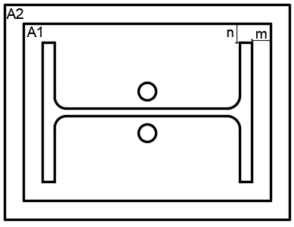
Qu = | 15.4549 | t
Fcu = | 250 | Kg/cm2
S,weld = | 0.8 | cm
Column Section | = | built up sections
h = | 80 |  | cm
t web = | 2 |  | cm
bf = | 30 |  | cm
tf = | 2 |  | cm
2)- End Plate dimensions :
m = | 2.5 | cm | n = | 2.5 | cm
Lp = | 85 | cm | bp = | 35 | cm
Ap (A1) = | 2975 | cm2 | Ac (A2 ) = | 4275 | cm2 | √ A2 / A1 ≤ 2 |  | ok
tp = | 2 | cm | tp,Choosen = |  | 2 | cm
3)- Check Concrete Capacity :
Nu | ≤ | 0.6 x 0.67 x Fcu x A1 x √ ( A2 / A1 )
79.5644 | ton | ≤ | 358.41 | ton | Safe

4)- Check welding Safety :
φ.Rnw = | 0.7 x 0.4 x Fu = |  | 1.036 | t/cm2
φ.Rnw,eff = | 0.77 x 0.4 x Fu = |  | 1.140 | t/cm2

A w,flange = | 86.4 | cm2 | Aw,total = | 201.6 | cm2
A w,web = | 115.2 | cm2
Ruw,N = | Neglected
QD = | 0.55 | t/cm2 | Safe

5)- Anchor Bolts :
n.of anchors = | 4 |  |  | M | 20 | Grade | 8.8
α = (0.8 x e)/d | 2.4 |  |  | As = | 2.45 | cm2
Length=40*3=120 | cm |  |  | Fub = | 8 | t/cm2

Ru,v = | 3.86 | t

φbr.Rnbr = | 0.7 x d x tmin x α x Fu = |  |  | 24.86 | t | 6 | t | Safe
φv.Rv = | .85*0.6 x 0.6 x Fub x As x n = |  |  | 6.00 | t

